Important excel shortcuts
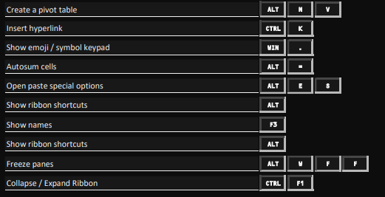
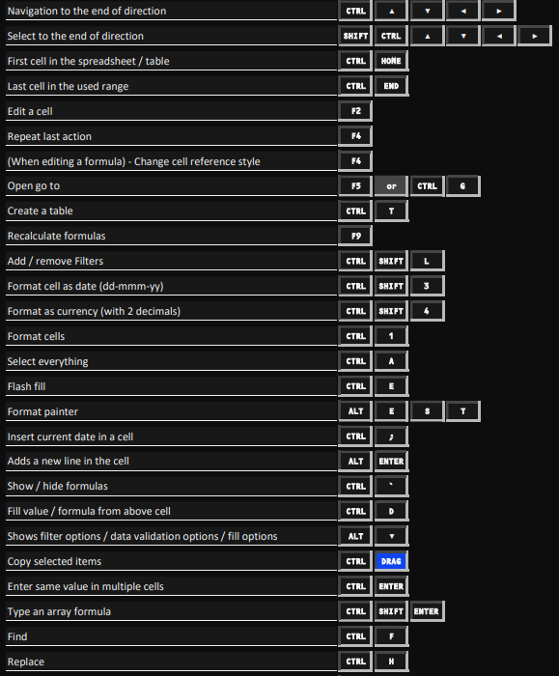
1
2
3
4
5
6
7
8
9
10
11 | cells.EntireColumn.AutoFit ----> For auto fit cells
12
13
14
15
16
17
18
19
20

Basic Conditional Formatting
 |  |  |  |  | CONDITIONAL FORMATING

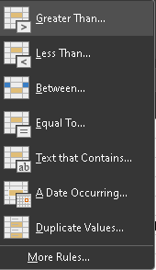
Highlight Cell Rulles |  |  | duplicate -- aman |  |  |  |  |  | (M6/400)*100
 |  | Date | Name | M1 | M2 | M3 | M4 | Total | Percentage | Grade
 |  | 2023-12-01 | Aman | 60 | 50 | 62 | 48 | 220 | 55% | Pass | IF(N6<33,"Fail",Pass")
 |  | 2023-12-02 | Himanshu | 20 | 20 | 33 | 45 | 118 | 30% | Fail
 |  | 2023-12-03 | Aman | 90 | 60 | 85 | 75 | 310 | 78% | Pass
 |  | 2023-12-04 | Abhijit | 70 | 99 | 50 | 80 | 299 | 75% | Pass
 |  | 2023-12-05 | Krishna | 80 | 10 | 70 | 90 | 250 | 63% | Pass
 |  | 2023-12-06 | Sukh | 5 | 50 | 50 | 56 | 161 | 40% | Pass
 |  | 2023-12-07 | Sudeep | 5 | 60 | 60 | 5 | 130 | 33% | Fail
 |  | 2023-12-08 | Sandeep | 6 | 70 | 80 | 90 | 246 | 62% | Pass

 |  |  |  | number > 75 are in GREEN and they are imp for us
 |  |  |  | number < 33 are in RED and they are imp for us for to give more attention

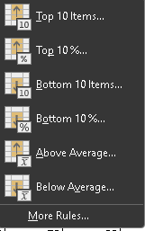
Top/Bottom Rules |  | Name | M1 | M2 | M3 | M4 | Total | Percentage
 |  | Aman | 60 | 60 | 60 | 60 | 240 | 60%
 |  | Himanshu | 80 | 54 | 55 | 50 | 239 | 60%
 |  | Aman | 90 | 60 | 80 | 60 | 290 | 73%
 |  | Abhijit | 70 | 90 | 99 | 30 | 289 | 72%
 |  | Krishna | 77 | 20 | 77 | 50 | 224 | 56%
 |  | Sukh | 50 | 1 | 100 | 70 | 221 | 55%
 |  | Sukh | 60 | 6 | 10 | 90 | 166 | 42%

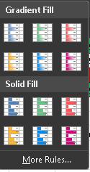
 |  |  |  |  |  |  |  |  |  | More Rules
 |  |  |  |  |  |  |  |  |  | Comparative Charts
Data Bars | Data Bars mostly used for comparative charts |  |  |  |  |  |  |  |  | Himanshu | Sales | Aman
 |  |  |  |  |  |  |  |  |  | 1234 | January | 156874
 |  | Name | M1 | M2 | M3 | M4 | Total | Percentage |  | 7896 | February | 58745
 |  | Aman | 60 | 60 | 60 | 60 | 240 | 60 |  | 8598 | March | 65241
 |  | Himanshu | 80 | 54 | 55 | 50 | 239 | 59.75 |  | 65894 | April | 174450
 |  | Aman | 90 | 60 | 80 | 60 | 290 | 72.5 |  | 5856 | May | 194451
 |  | Abhijit | 70 | 90 | 99 | 30 | 289 | 72.25 |  | 5875 | June | 244451
 |  | Krishna | 77 | 20 | 77 | 50 | 224 | 56 |  | 21554 | July | 254451
 |  | Sukh | 50 | 1 | 100 | 70 | 221 | 55.25 |  | 32221 | August | 204400
 |  | Sukh | 60 | 6 | 10 | 90 | 166 | 41.5 |  | 5525 | September | 150000
 |  |  |  |  |  |  |  |  |  | 65425 | October | 15000
 |  |  |  |  |  |  |  |  |  | 546 | November | 150000
 |  |  |  |  |  |  |  |  |  | 658 | December | 160000

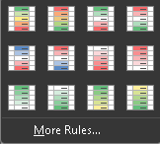
Color Scale |  | Name | M1 | M2 | M3 | M4 | Total | Percentage
 |  | Aman | 60 | 60 | 60 | 60 | 240 | 60
 |  | Himanshu | 80 | 54 | 55 | 50 | 239 | 59.75
 |  | Aman | 90 | 60 | 80 | 60 | 290 | 72.5
 |  | Abhijit | 70 | 90 | 99 | 30 | 289 | 72.25
 |  | Krishna | 77 | 20 | 77 | 50 | 224 | 56
 |  | Sukh | 50 | 1 | 100 | 70 | 221 | 55.25
 |  | Sukh | 60 | 6 | 10 | 90 | 166 | 41.5

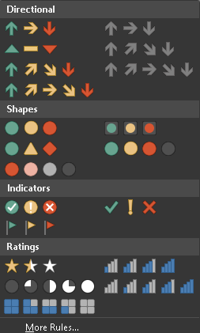
Icon Sets

 |  | Date | Name | M1 | M2 | M3 | M4 | Total | Percentage | Grade
 |  | 2023-12-01 | Aman | 60 | 50 | 62 | 48 | 220 | 55.00 | Pass
 |  | 2023-12-02 | Himanshu | 20 | 20 | 33 | 45 | 118 | 29.50 | Fail
 |  | 2023-12-03 | Aman | 90 | 60 | 85 | 75 | 310 | 77.50 | Pass
 |  | 2023-12-04 | Abhijit | 70 | 99 | 50 | 80 | 299 | 74.75 | Pass
 |  | 2023-12-05 | Krishna | 80 | 10 | 70 | 90 | 250 | 62.50 | Pass
 |  | 2023-12-06 | Sukh | 5 | 50 | 50 | 56 | 161 | 40.25 | Pass
 |  | 2023-12-07 | Sudeep | 5 | 60 | 60 | 5 | 130 | 32.50 | Fail
 |  | 2023-12-08 | Sandeep | 6 | 70 | 80 | 90 | 246 | 61.50 | Pass

Advanced Conditional Formatting
Advanced/Customized conditional formating
conditional formating - New Rules - use a formula to determine which cells to format
1. Highlight one column value
 |  |  |  |  |  |  | https://www.youtube.com/watch?v=ODeopY6oN0I
Top Product | Quantity | Price |  | Top Products
mobile | 2 | 33 |  | mobile
camera | 3 | 33
laptop | 5 | 57 |  | steps -
mobile | 5 | 66 |  | 1) select all the product within which you want to match your product
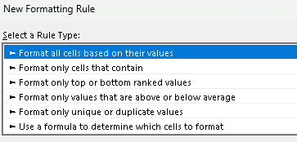
perfumes | 6 | 22 |  | 2) open conditional formating choose, new rules, then
camera | 8 | 5 |  | 3) use a formula to determine which cell to format
mobile | 7 | 82
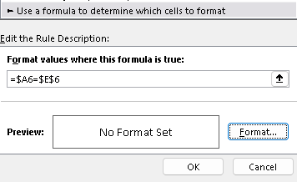
camera | 9 | 20

 |  |  |  | here $E$6 means column and rows both are fixed for top products

 |  |  |  | and $A6 means coumns is fixed and row is free to shift

2. Highlight entire record

Top Product | Quantity | Price |  | Top Products
mobile | 2 | 33 |  | mobile
camera | 3 | 33
laptop | 5 | 57 |  | in this intead of selecting a single coulumn, you must select whole table except schema
mobile | 5 | 66
perfumes | 6 | 22
camera | 8 | 5
mobile | 7 | 82
camera | 9 | 20

3. Highlight entire record

Top Product | India | Aus | Canada
mobile | 2 | 33 | 5745
camera | 3 | 33 | 54
laptop | 5 | 57 | 245
mobile | 5 | 66 | 52
perfumes | 6 | 22 | 64
camera | 8 | 5 | 624
mobile | 7 | 82 | 36
camera | 9 | 20 | 87 |  |  | Top Products |  | Canada
 |  |  |  | enter product here---> |  | camera |  | india | enter any column name here
 |  |  |  |  |  |  |  |  | it will highlight vertically to that column
Top Product | India | Aus | Canada
mobile | 2 | 33 | 5745
camera | 3 | 33 | 54
laptop | 5 | 57 | 245
mobile | 5 | 66 | 52
perfumes | 6 | 22 | 64
camera | 8 | 5 | 624
mobile | 7 | 82 | 36
camera | 9 | 20 | 87

Highlight entire record / Combined
Top Product | India | Aus | Canada |  | Top Products |  | Canada
mobile | 2 | 33 | 5745 |  | camera |  | india
camera | 3 | 33 | 54
laptop | 5 | 57 | 245
mobile | 5 | 66 | 52
perfumes | 6 | 22 | 64
camera | 8 | 5 | 624
mobile | 7 | 82 | 36
camera | 9 | 20 | 87

